Schedule
Venue
Field Address | Ben Davis High School | 1200 N Girls School Rd, Indianapolis, IN 46214
Field Type | Turf; football stadium
Locker Rooms | Yes w/ showers

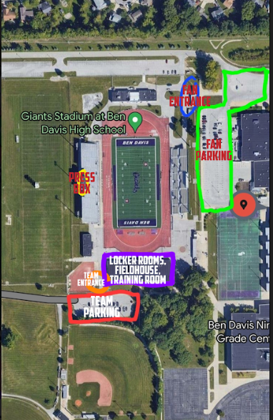
Contacts
Operations Contact | Jacob Long | 219-381-0692 | indyredultimate@gmail.com
Alt Contact | Kelly Vogeler | 720-670-0537 | indyredultimate@gmail.com
Team Contact | Jamie Smets | 317-730-7559 | indyredultimate@gmail.com

Schedule (all eastern time)
4/6/2024
15:30:00 | Field/Locker Rooms Available
16:00:00 | AT Available
17:00:00 | Game Start (Land acknowledgment & player announcement)
Half-Time (10 mins) | Disc Crazy Halftime show
19:30:00 | AT Leaves (3.5 hours)
19:45:00 | Venue Closes
20:00:00 | Post Game Venue at TBD

Game Footage
Livestream |  | Stream URL | Stream Key
Universe Point Productions: Heath |  | rtmp://a.rtmp.youtube.com/live2 | ch4c-kg5s-tzac-yua0-61uq
317-446-9267

Sponsor Requirements
Sponsor name | Sponsor Thank you |  | Ad Read |  | Commercial Spot | Streaming view Logo
 | Start of Game | End of Game | Quantity | Script
Red Sponsors
CITYOGA, School of Yoga & Health | Yes | Yes | 2 | CITYOGA School of yoga and health is a locally owned and operated yoga studio downtown Indianapolis. Their classes and programs enhance health, uplift hearts, deepen connection, and foster positive change. Scan QR code for the upcoming schedule and start booking today. | QR code for ad read in folder | No
Add Westfield Pride for last game. $250 sponsor.
MDMi | Yes | Yes | 2 | Thank You to one of our local sponsors MDMi. MDMi specializes in the design and implementation of tailored data management solutions to unlock the power of data. MDMi’s experts work closely with customers to determine how to best capture, activate, and leverage their data to solve complex problems and drive productivity, innovation, and risk management. Visit MDMi.com to learn more. | MDMi logo with this read over the top: MDMi, a top-level sponsor of Indy Red, specializes in the design and implementation of tailored data management solutions to unlock the power of data. MDMi’s experts work closely with customers to determine how to best capture, activate, and leverage their data to solve complex problems and drive productivity, innovation, and risk management. Visit MDMi.com to learn more. | No
Everyone’s Joy Photography (IG: @ejsportsfoto1) | Yes | Yes | 2 | Everyone's joy photography, Uindy sports team photographer and Indy Reds official photography company. Doesn't matter what you need, we got you covered at any event! Find us on Facebook, instagram or online at everyonesjoyphotography.com! | None | No
Cox Roofing | Yes | Yes | 2 | As a family-owned company, Cox Roofing knows that it can be difficult to entrust your home or business in someone else’s hands. This is why we have cultivated an expert team to help with any roofing, guttering, or siding needs. We’re here for you from free first inspection to final walkthrough. Call Cox Roofing to schedule today |  | No
Indy Red Live Stream Donation (Misc) | No | No | 2+ | If you are enjoying today's stream, please consider donating at indyred. org or by scanning the QR code. Indy Red is a 501(c)3 and all donations go towards player pay and travel costs. | Livestream Red ad saved in Drive (play whenever) | No
Fountain Law Firm, P.C | Yes | Yes | 0 | N/A | None | No
Breakmark | Yes | Yes | 2 | Breakmark is Red's official uniform provider. Check out breakmark.com for official replicas & Red merchandise. | None | No
PUL Sponsors
Discraft Ultimate | No | No | 2 (1st & 4th) | The Discraft UltraStar is the Official disc of the Premier Ultimate League. Discraft: the World Leader in Disc Sports! | In folder (play at half & during 4th quarter) | No
Premier Ultimate League | No | No | 2 (2nd & 4th) | This broadcast is part of the Premier Ultimate League, a 501(c)6 non-profit. This League has been community-funded since day one, and we are so grateful for your support. Thank you. | None, but there are animations in the folder | Automatic via Youtube (bottom right)
Tokay | No | No | 0 | N/A | 15 sec in folder (play at half) | No
Breakmark | See Red Sponsor | See Red Sponsor | 1 (1st quarter) | This live broadcast of the Premier Ultimate League is brought to you by Breakmark Ultimate Apparel. Go to Breakmark.com to place your next custom team order or check out the PUL-athlete collab shops. | Commerical in folder (play at half & during 4th quarter | No
Partners
BBBSCI | No | No | 0 | N/A | Different length ad choices in drive (play whenever) | No
Gender Nexus | No | No | 0 | N/A | None | No
IYG | No | No | 0 | N/A | 15 second ad in drive (play whenever) | No
ACLU | No | No | 0 | N/A | 30 second ad in drive (play whenever) | No

Half Time

